A. Organization Chart
A: Organizational Chart

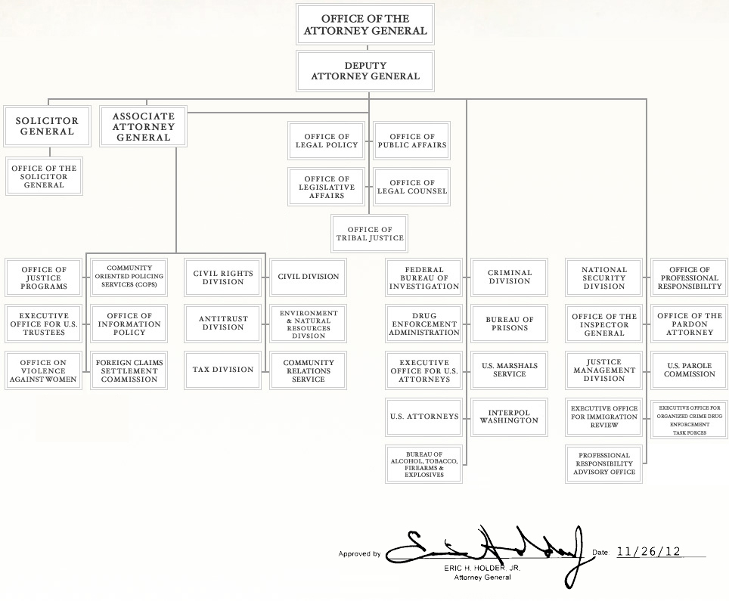

2012 template

FY 2011 CJ Submission

