A. Organization Chart
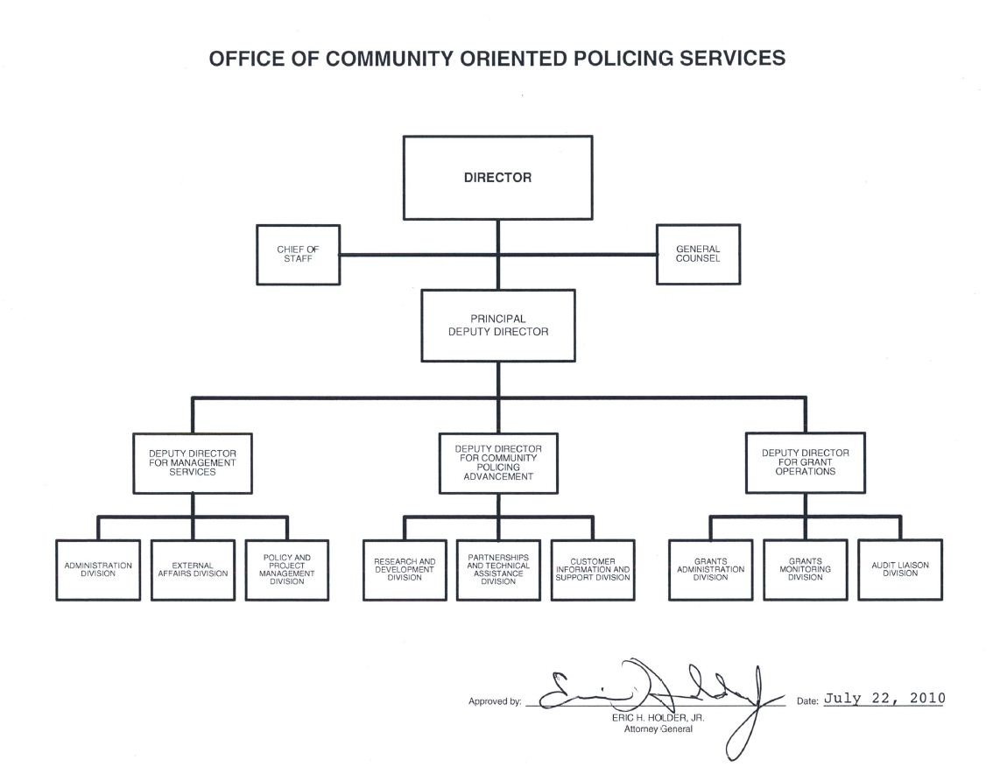
A: Organizational Chart | end of line
 | end of line
 | end of line
 | end of line
 | end of line
 | end of line
 | end of line
 | end of line
 | end of line
 | end of line
 | end of line
 | end of line
 | end of line
 | end of line
 | end of line
 | end of line
 | end of line
 | end of line
 | end of line
 | end of line
 | end of line
 | end of line
 | end of line
 | end of line
 | end of line
 | end of line
 | end of line
 | end of line
 | end of sheet

Instructions
PDF versions of signed component organizational charts are available from DOJ's Justice Management Division (JMD). If you need a PDF version of an official signed DOJ organization chart, please email Lisa Ward of JMD Budget Staff.

2013 Spring call template

2012 template

FY 2011 CJ Submission

