A. Organization Chart
end of line
end of line
end of line
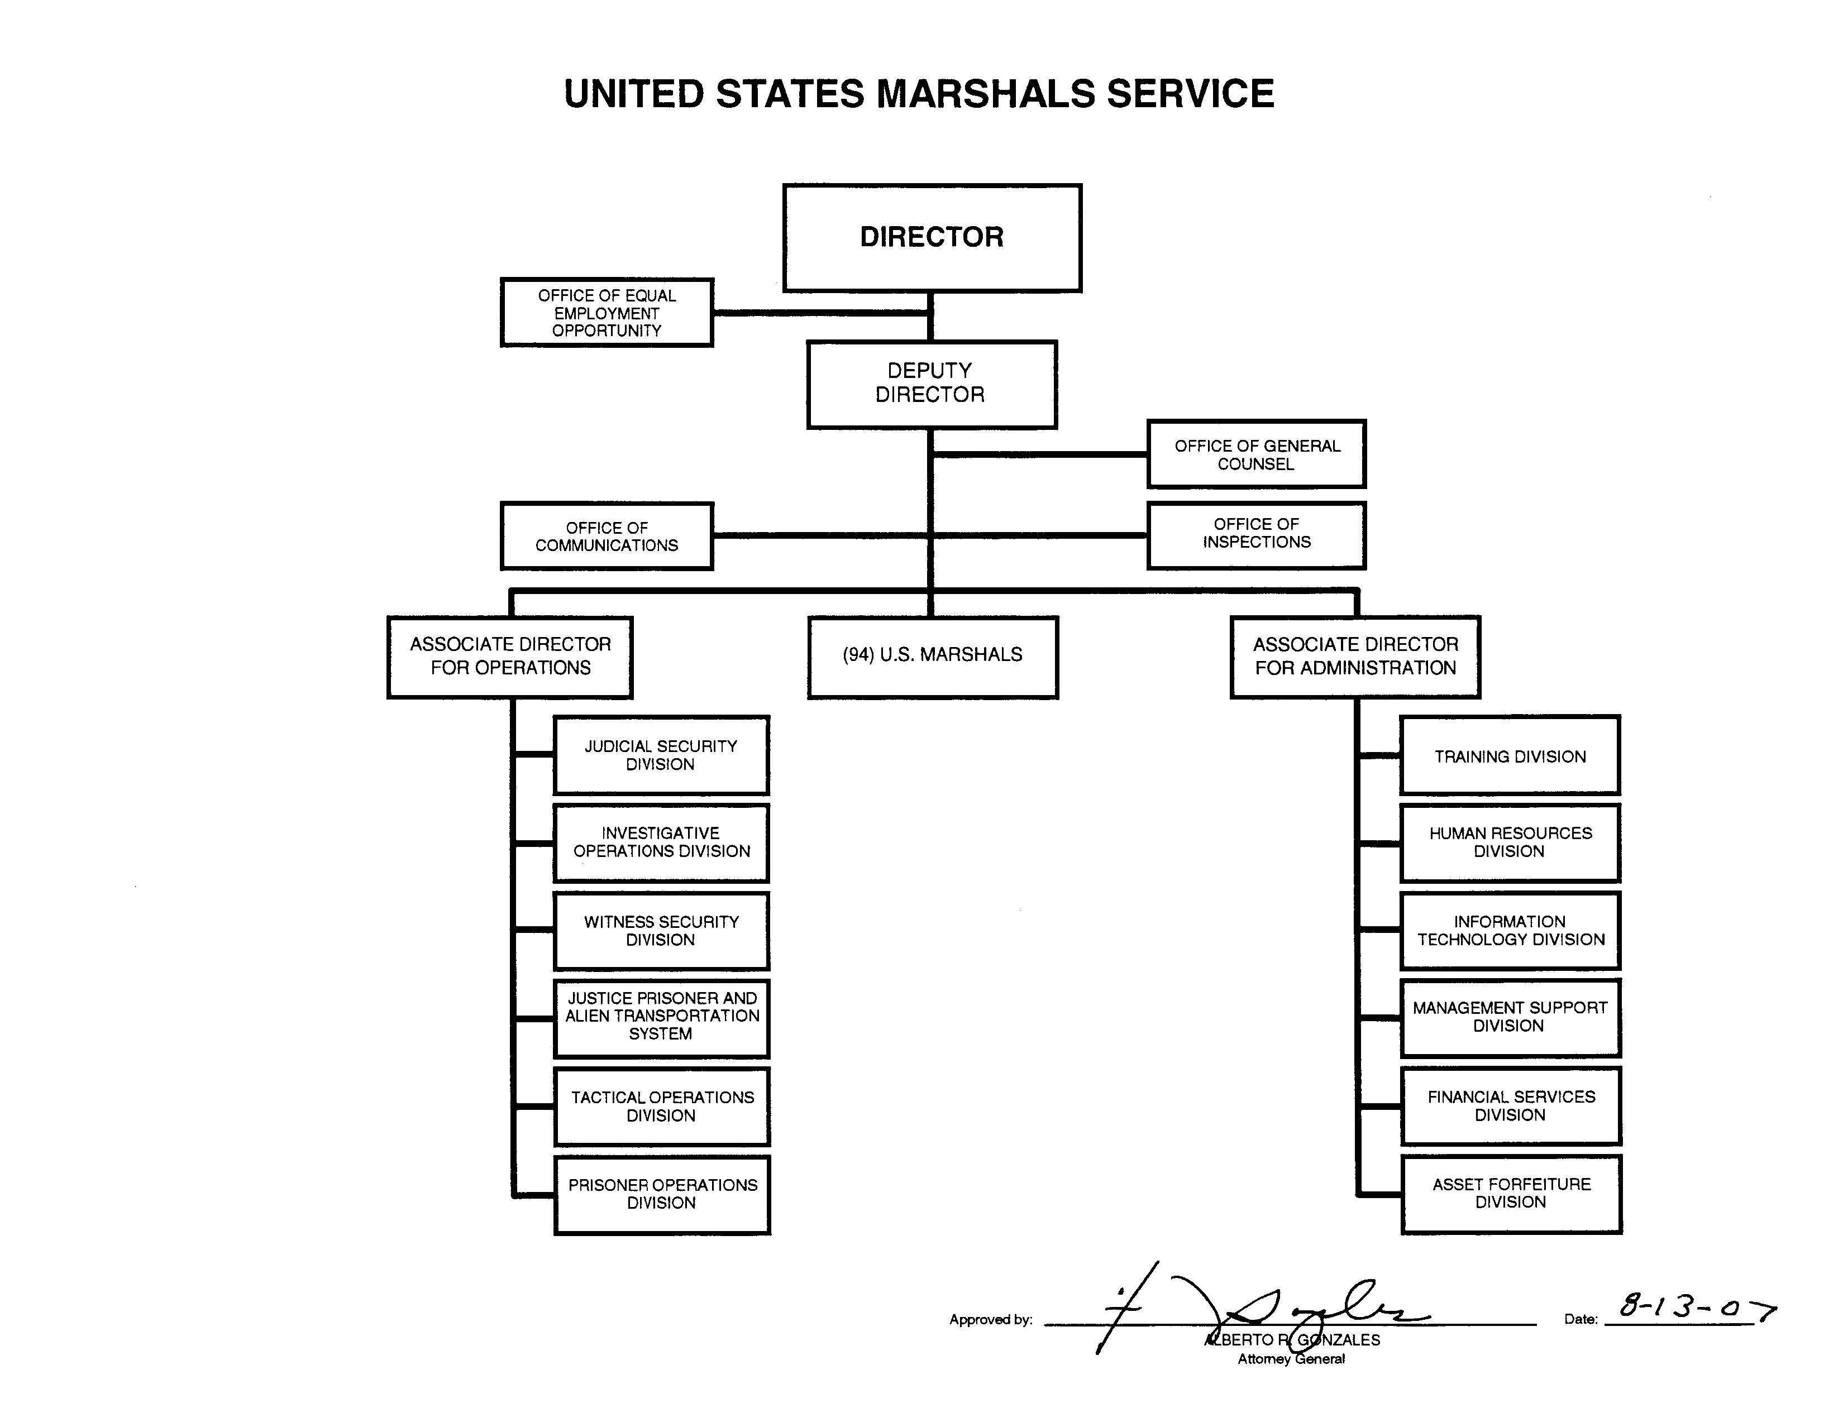
end of line
end of line
end of line
end of line
end of line
end of line
end of line
end of line
end of line
end of line
end of line
end of line
end of line
end of line
end of line
end of line
end of line
end of line
end of line
end of line
end of line
end of line
end of line
end of line
end of line
end of line
end of line
end of sheet

