A. Organization Chart
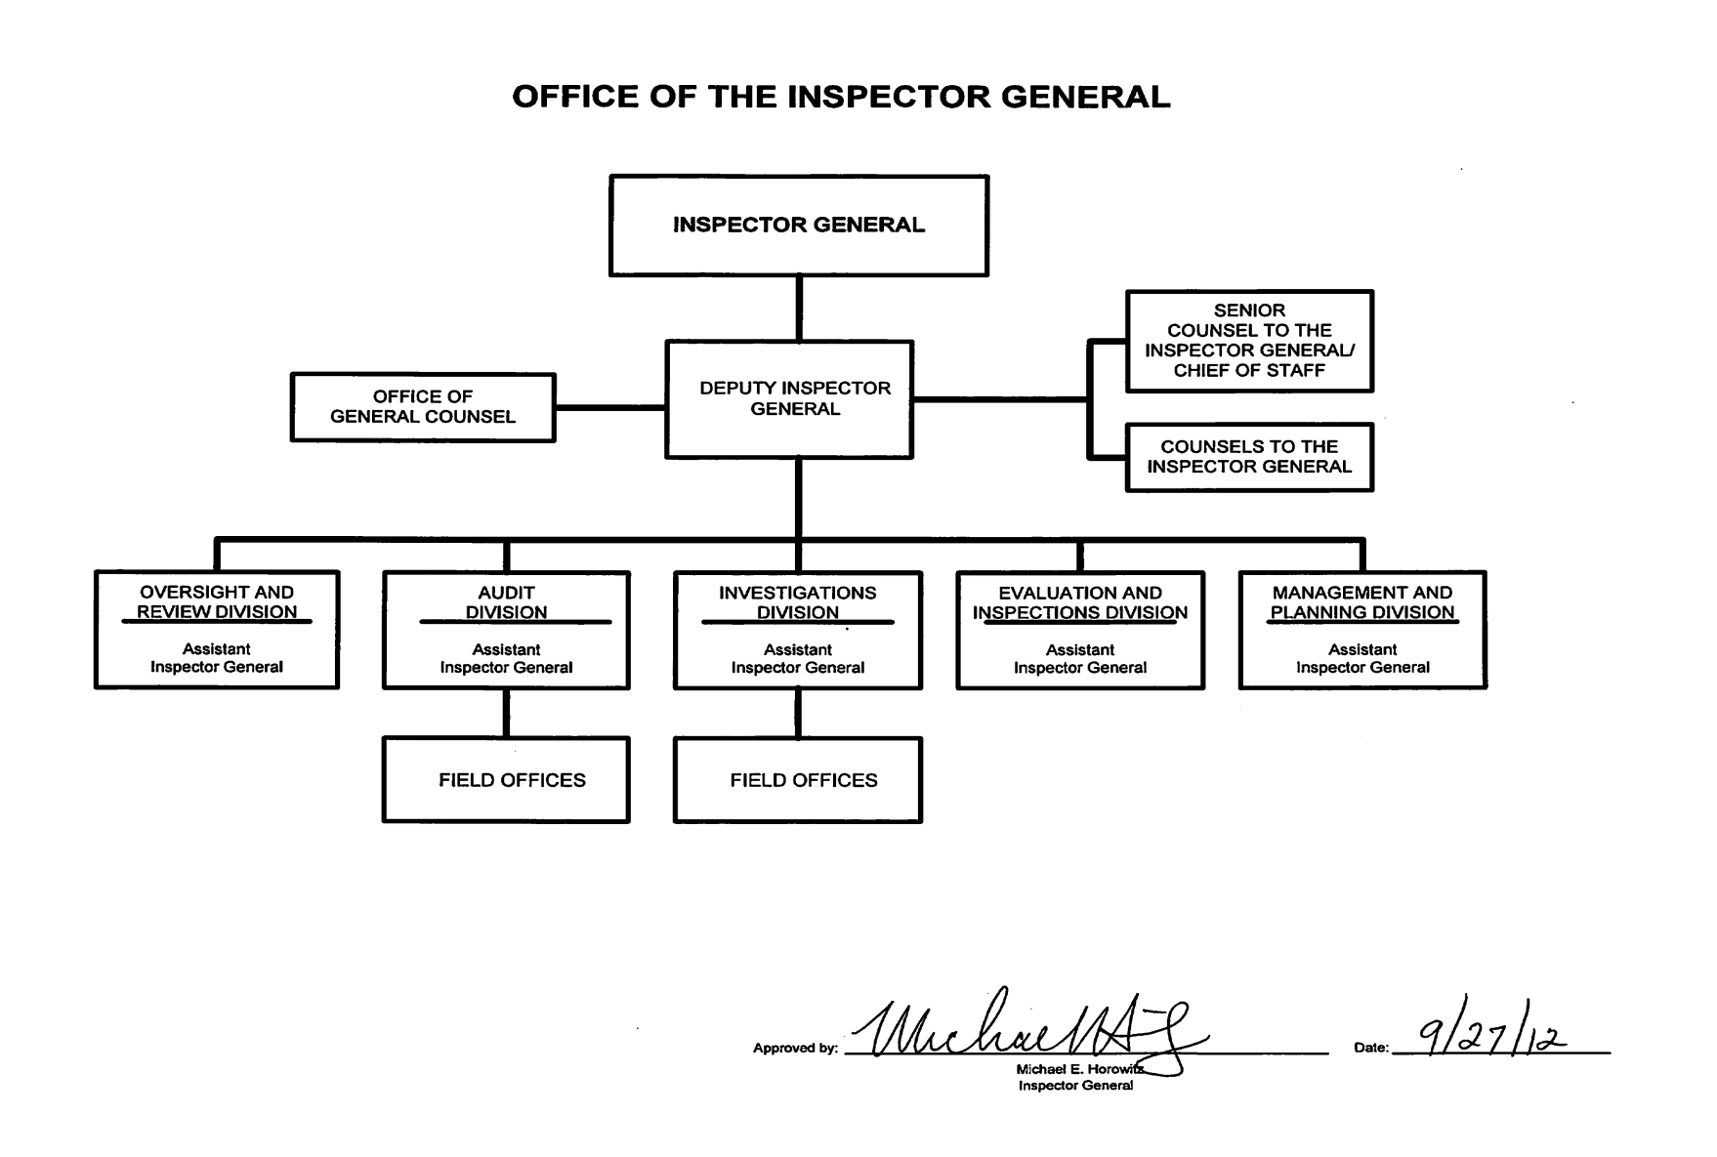
A: Organizational Chart | end of line
 | end of line
 | end of line
 | end of line
 | end of line
 | end of line
 | end of line
 | end of line
 | end of line
 | end of line
 | end of line
 | end of line
 | end of line
 | end of line
 | end of line
 | end of line
 | end of line
 | end of line
 | end of line
 | end of line
 | end of line
 | end of line
 | end of line
 | end of line
 | end of line
 | end of line
 | end of line
 | end of line
 | end of sheet

